CMLF_April 15 2026
Capitalmind Mutual Fund
SCHEME NAME : | Capitalmind Liquid Fund (An open-ended Liquid scheme. A relatively low-interest rate risk and relatively low credit risk fund)
INCEPTION DATE : | November 28, 2025
FORTNIGHTLY PORTFOLIO STATEMENT AS ON : | April 15, 2026

Name of the Instrument / Issuer | ISIN | Rating | Quantity | Market value (Rs. in Lakhs) | % to NAV | YTM% | YTC%*
Debt Instruments
(a) Listed / awaiting listing on Stock Exchange
7.8% REC Limited (30/05/2026) ** | INE020B08ES7 | ICRA AAA | 1,000 | 1,001.77 | 11.09% | 5.92%
8.1% Bajaj Finance Limited (22/05/2026) ** | INE296A07TA3 | CRISIL AAA | 700 | 701.05 | 7.76% | 6.13%
6.59% Summit Digitel Infrastructure Limited (16/06/2026) | INE507T07062 | CRISIL AAA | 65 | 650.40 | 7.20% | 6.20%
7.6% IndiGrid Infrastructure Trust (06/05/2026) ** | INE219X07207 | CRISIL AAA | 62,972 | 630.12 | 6.98% | 6.01%
Sub Total |  |  |  | 2,983.34 | 33.03%
(b) Privately placed / Unlisted |  |  |  | NIL | NIL
Sub Total |  |  |  | NIL | NIL
Total |  |  |  | 2,983.34 | 33.03%

Money Market Instruments
Certificate of Deposit
Union Bank of India (26/05/2026) # | INE692A16KG0 | ICRA A1+ | 100 | 496.92 | 5.50% | 5.65%
HDFC Bank Limited (12/06/2026) # | INE040A16HP9 | CRISIL A1+ | 75 | 371.70 | 4.12% | 5.69%
Sub Total |  |  |  | 868.62 | 9.62%
Commercial Paper
HSBC InvestDirect Financial Services (India) Limited (08/06/2026) ** | INE790I14GZ8 | CRISIL A1+ | 140 | 693.59 | 7.68% | 6.36%
Embassy Office Parks REIT (16/06/2026) ** | INE041014072 | CRISIL A1+ | 140 | 693.03 | 7.67% | 6.01%
ICICI Home Finance Company Limited (12/05/2026) ** | INE071G14HK7 | ICRA A1+ | 100 | 497.96 | 5.51% | 5.75%
Aditya Birla Real Estate Limited (12/05/2026) ** | INE055A14KL5 | CRISIL A1+ | 100 | 497.76 | 5.51% | 6.32%
Sharekhan Limited (10/06/2026) ** | INE211H14AO4 | CRISIL A1+ | 100 | 495.11 | 5.48% | 6.55%
Kotak Securities Limited (27/05/2026) ** | INE028E14VE6 | CRISIL A1+ | 90 | 446.95 | 4.95% | 6.08%
Sub Total |  |  |  | 3,324.40 | 36.80%
Treasury Bill
182 Days Tbill (MD 28/05/2026) | IN002025Y354 | Sovereign | 1,000,000 | 994.34 | 11.01% | 4.95%
364 Days Tbill (MD 01/05/2026) | IN002025Z054 | Sovereign | 130,000 | 129.74 | 1.44% | 4.84%
Sub Total |  |  |  | 1,124.08 | 12.45%
Total |  |  |  | 5,317.10 | 58.87%

Others
Corporate Debt Market Development Fund
Corporate Debt Market Development Fund # | INF0RQ622028 |  | 107 | 12.55 | 0.14%
Sub Total |  |  |  | 12.55 | 0.14%
Total |  |  |  | 12.55 | 0.14%

Reverse Repo / TREPS
Clearing Corporation of India Ltd |  |  |  | 528.45 | 5.85% | 4.67%
Sub Total |  |  |  | 528.45 | 5.85%
(b) Privately placed / Unlisted |  |  |  | NIL | NIL
Sub Total |  |  |  | NIL | NIL
Total |  |  |  | 528.45 | 5.85%

Net Receivables / (Payables) |  |  |  | 190.03 | 2.11%
GRAND TOTAL |  |  |  | 9,031.47 | 100.00%

Notes & Symbols :-
** Thinly Traded Securities/Non Traded Securities
# Unlisted Security
**# Both Thinly Traded Securities/Non Traded Securities and Unlisted securities
* YTC represents Yield to Call. It is disclosed for Perpetual Bond issued by Banks (i.e. AT-1 Bond / Tier 1 Bond / Tier 2 Bond), as per AMFI Best Practices Guidelines Circular no. 91/2020-21 dated March 24, 2021 on Valuation of AT-1 Bonds

Notes:
1. There is no security which is in default beyond its maturity / Interest payment date.
2. Aggregate value of illiquid equity shares of the fund amounts to Rs. Nil and their percentage to Net Asset value is Nil
3. NAV at the beginning of the period 31st March 2026
Scheme | NAV
CAPITALMIND LIQUID FUND - Direct Plan - Growth Option | 1021.8536
CAPITALMIND LIQUID FUND - Regular Plan - Growth Option | 1021.1592

NAV at the end of the period 15th April 2026
Scheme | NAV
CAPITALMIND LIQUID FUND - Direct Plan - Growth Option | 1026.6857
CAPITALMIND LIQUID FUND - Regular Plan - Growth Option | 1025.9004

4. No dividend declared during the Period ended April 15, 2026
5. Total Market value of investments in Foreign Securities /American Depository Receipts/Global Depository Receipts as at April 15, 2026 is Rs. Nil.
6. Exposure to derivative instrument at the end of the month is (value in Lacs) | NIL
7. Investment in short term deposit at the end of the Month | NIL
8. The average maturity period of the portfolio | 41 days
9. Macaulay Duration of the Portfolio | 41 days
10. Modified Duration of the Portfolio | 40 days
11. YTM of the Portfolio | 5.84%
12. Total outstanding exposure of Repo transactions in corporate debt securities as on April 15, 2026 is Nil. Details of investment of repo transactions in corporate debt securities during period ended April 15, 2026 is/are as follows: | NIL
Counterparty | Investment value (Rs. in Lakhs) | Trade date | Maturity date | % to net assets

13. Total Exposure to illiquid securities | NIL
14. Instances of fair valuation of Securities or Deviation in valuation from what is provided by valuation agencies | NIL
15. Bonus declared during the period ended April 15, 2026 | NIL
16. Deviation in the mandated asset allocation pursuant to SEBI Circular SEBI/HO/IMD/IMD-PoD-1/P/CIR/2024/90 dated June 27, 2024 | NIL

Potential Risk Class ("PRC") Matrix of the Scheme
Credit Risk → Interest Rate Risk ↓ | Relatively Low (Class A) | Moderate (Class B) | Relatively High (Class C)
Relatively Low (Class I) | A-I
Moderate (Class II)
Relatively High (Class III)
A-I – A Scheme with Relatively Low-Interest Rate Risk and Relatively Low Credit Risk

Product Labelling: #
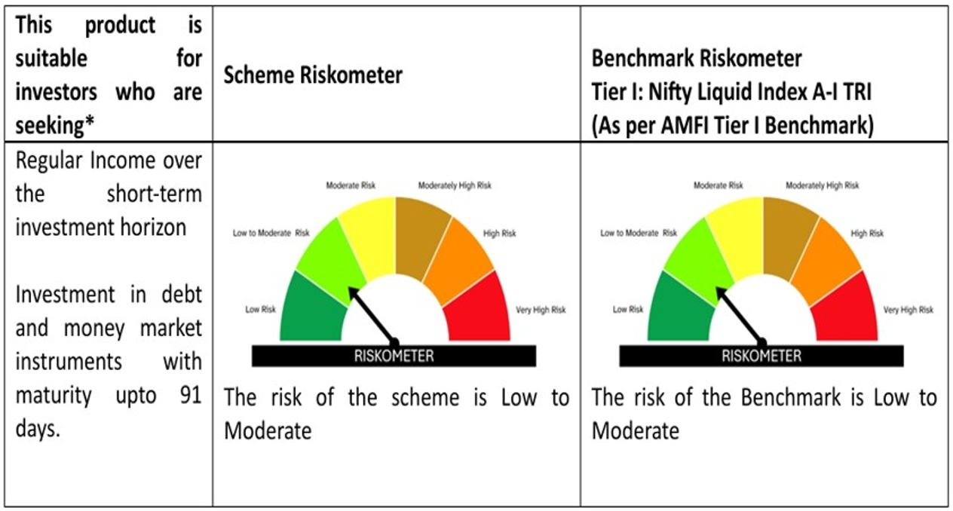

# Please note that the above risk-o-meter is as per the product labelling of the scheme available as on the date of this communication/ disclosure. Visit our website for latest Riskometer updates at https://capitalmindmf.com

