CMLF_July 31, 2026
Capitalmind Mutual Fund
SCHEME NAME : | Capitalmind Liquid Fund (An open-ended Liquid scheme. A relatively low-interest rate risk and relatively low credit risk fund)
INCEPTION DATE : | November 28, 2025
MONTHLY PORTFOLIO STATEMENT AS ON : | July 31, 2026

Name of the Instrument / Issuer | ISIN | Rating / Industry^ | Quantity | Market value (Rs. in Lakhs) | % to NAV | YTM% | YTC%*
Debt Instruments
(a) Listed / awaiting listing on Stock Exchange
6.97% Government of India (06/09/2026) | IN0020160035 | Sovereign | 1,000,000 | 1,001.37 | 9.98% | 5.33%
7.98% Bajaj Housing Finance Limited (09/09/2026) ** | INE377Y07490 | CRISIL AAA | 500 | 500.36 | 4.99% | 6.82%
9.10% Manappuram Finance Limited (19/08/2026) ** | INE522D07CH7 | CRISIL AA | 500 | 500.33 | 4.99% | 7.15%
7.70% REC Limited (31/08/2026) ** | INE020B08FC8 | ICRA AAA | 500 | 500.30 | 4.99% | 6.51%
8.28% SMFG India Credit Company Limited (05/08/2026) ** | INE535H07CK4 | ICRA AAA | 500 | 500.05 | 4.98% | 6.85%
6.72% IndiGrid Infrastructure Trust (14/09/2026) ** | INE219X07306 | CRISIL AAA | 50 | 499.83 | 4.98% | 6.96%
7.50% National Bank For Agriculture and Rural Development (31/08/2026) ** | INE261F08EA6 | CRISIL AAA | 400 | 400.12 | 3.99% | 6.67%
7.37% State Government Securities (14/09/2026) | IN2220160062 | Sovereign | 300,000 | 300.66 | 3.00% | 5.33%
Sub Total |  |  |  | 4,203.02 | 41.90%
(b) Privately placed / Unlisted |  |  |  | NIL | NIL
Sub Total |  |  |  | NIL | NIL
Total |  |  |  | 4,203.02 | 41.90%

Money Market Instruments
Certificate of Deposit
Indian Bank (10/09/2026) ** # | INE562A16RF2 | CRISIL A1+ | 100 | 496.56 | 4.95% | 6.32%
HDFC Bank Limited (10/09/2026) # | INE040A16HL8 | CRISIL A1+ | 100 | 496.52 | 4.95% | 6.40%
Punjab National Bank (15/09/2026) ** # | INE160A16UT0 | CARE A1+ | 100 | 496.14 | 4.94% | 6.32%
Bank of Baroda (16/09/2026) ** # | INE028A16KC6 | FITCH A1+ | 100 | 496.01 | 4.94% | 6.38%
IndusInd Bank Limited (22/09/2026) ** # | INE095A161F7 | CRISIL A1+ | 100 | 495.36 | 4.94% | 6.58%
Bank of Baroda (12/08/2026) ** # | INE028A16MD0 | CARE A1+ | 70 | 349.34 | 3.48% | 6.30%
Sub Total |  |  |  | 2,829.93 | 28.20%
Commercial Paper
Kisetsu Saison Fin Ind Pvt Ltd (27/08/2026) ** | INE0DZE14396 | CRISIL A1+ | 100 | 497.55 | 4.96% | 6.90%
ICICI Home Finance Company Limited (02/09/2026) ** | INE071G14HZ5 | ICRA A1+ | 100 | 497.09 | 4.95% | 6.67%
National Bank For Agriculture and Rural Development (04/09/2026) ** | INE261F14PO1 | CRISIL A1+ | 100 | 497.02 | 4.95% | 6.43%
Kotak Securities Limited (15/09/2026) ** | INE028E14XB8 | ICRA A1+ | 100 | 495.83 | 4.94% | 6.83%
Sub Total |  |  |  | 1,987.49 | 19.80%
Treasury Bill
91 Days Tbill (MD 03/09/2026) | IN002026X099 | Sovereign | 500,000 | 497.66 | 4.96% | 5.21%
91 Days Tbill (MD 13/08/2026) | IN002026X065 | Sovereign | 50,000 | 49.91 | 0.50% | 5.20%
Sub Total |  |  |  | 547.57 | 5.46%
Total |  |  |  | 5,364.99 | 53.46%

Others
Corporate Debt Market Development Fund
Corporate Debt Market Development Fund # | INF0RQ622028 |  | 237 | 28.21 | 0.28%
Sub Total |  |  |  | 28.21 | 0.28%
Total |  |  |  | 28.21 | 0.28%
Reverse Repo / TREPS
Clearing Corporation of India Ltd |  |  |  | 179.95 | 1.79% | 4.93%
Sub Total |  |  |  | 179.95 | 1.79%
(b) Privately placed / Unlisted |  |  |  | NIL | NIL
Sub Total |  |  |  | NIL | NIL
Total |  |  |  | 179.95 | 1.79%

Net Receivables / (Payables) |  |  |  | 258.26 | 2.57%
GRAND TOTAL |  |  |  | 10,034.43 | 100.00%

Notes & Symbols :-
** Thinly Traded Securities/Non Traded Securities
# Unlisted Security
**# Both Thinly Traded Securities/Non Traded Securities and Unlisted securities
* YTC represents Yield to Call. It is disclosed for Perpetual Bond issued by Banks (i.e. AT-1 Bond / Tier 1 Bond / Tier 2 Bond), as per AMFI Best Practices Guidelines Circular no. 91/2020-21 dated March 24, 2021 on Valuation of AT-1 Bonds and Tier 2 Bonds.

Notes:
1. There is no security which is in default beyond its maturity / Interest payment date.
2. Aggregate value of illiquid equity shares of the fund amounts to Rs. Nil and their percentage to Net Asset value: | NIL
3. NAV at the beginning of the period
Scheme | NAV | Date
CAPITALMIND LIQUID FUND - Direct Plan - Growth Option | 1039.9542 | 2026-06-30
CAPITALMIND LIQUID FUND - Regular Plan - Growth Option | 1038.7310 | 2026-06-30

NAV at the end of the period
Scheme | NAV | Date
CAPITALMIND LIQUID FUND - Direct Plan - Growth Option | 1045.3875 | 2026-07-31
CAPITALMIND LIQUID FUND - Regular Plan - Growth Option | 1043.9693 | 2026-07-31

4. Dividend declared during the Period ended July 31, 2026 | NIL
5. Total Market value of investments in Foreign Securities /American Depository Receipts/Global Depository Receipts as at July 31, 2026 : | NIL
6. Exposure to derivative instrument at the end of the month is (value in Lacs) | NIL
7. Investment in short term deposit at the end of the Month | NIL
8. The average maturity period of the portfolio : 34 days
9. Macaulay Duration of the Portfolio: 34 days
10. Modified Duration of the Portfolio: 33 days
11. YTM of the Portfolio: 6.35 %
9. Total outstanding exposure of Repo transactions in corporate debt securities as on July 31, 2026 is Nil. Details of investment of repo transactions in corporate debt securities during period ended July 31, 2026 is/are as follows:
Counterparty | Investment value (Rs. in Lakhs) | Trade date | Maturity date | % to net assets
Nil | Nil | Nil | Nil | Nil
10. Total Exposure to illiquid securities | NIL
11. Instances of fair valuation of Securities or Deviation in valuation from what is provided by valuation agencies | NIL
12. Bonus declared during the period ended July 31, 2026 | NIL
13. Deviation in the mandated asset allocation pursuant to SEBI Circular SEBI/HO/IMD/IMD-PoD-1/P/CIR/2024/90 dated June 27, 2024 | NIL

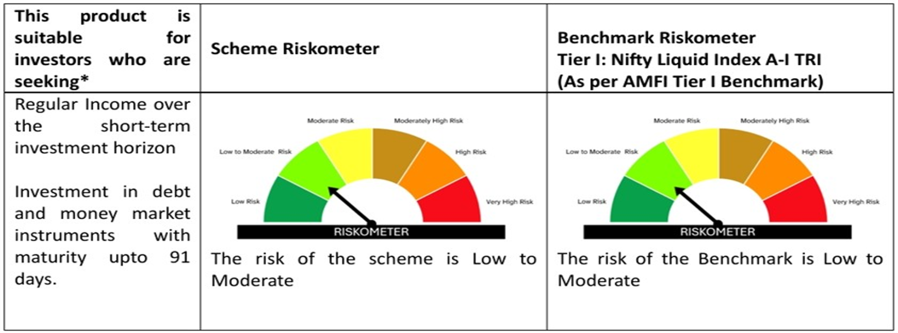
Product Labelling:#

# Please note that the above risk-o-meter is as per the product labelling of the scheme available as on the date of this communication/ disclosure. Visit our website for latest Riskometer updates at https://capitalmindmf.com

