CMMAAF_April 2026
Capitalmind Mutual Fund
SCHEME NAME : | Capitalmind Multi Asset Allocation Fund (An open-ended scheme investing in equity and equity related instruments, debt and money market instruments, Commodities including Exchange Traded Commodity Derivatives)
INCEPTION DATE : | March 16, 2026
MONTHLY PORTFOLIO STATEMENT AS ON : | April 30, 2026

Name of the Instrument / Issuer | ISIN | Rating / Industry^ | Quantity | Market value (Rs. in Lakhs) | % to NAV | YTM% | YTC%*
Equity & Equity related
(a) Listed / awaiting listing on Stock Exchanges
Power Finance Corporation Limited | INE134E01011 | Finance | 24,828 | 111.33 | 3.89%
Hindalco Industries Limited | INE038A01020 | Non - Ferrous Metals | 7,785 | 80.81 | 2.82%
NMDC Limited | INE584A01023 | Minerals & Mining | 83,920 | 75.84 | 2.65%
Infosys Limited | INE009A01021 | IT - Software | 5,604 | 66.23 | 2.31%
Zydus Lifesciences Limited | INE010B01027 | Pharmaceuticals & Biotechnology | 7,214 | 64.34 | 2.25%
Petronet LNG Limited | INE347G01014 | Gas | 22,124 | 61.23 | 2.14%
HCL Technologies Limited | INE860A01027 | IT - Software | 5,040 | 60.43 | 2.11%
Tata Motors Passenger Vehicles Limited | INE155A01022 | Automobiles | 16,750 | 57.21 | 2.00%
Coal India Limited | INE522F01014 | Consumable Fuels | 11,370 | 54.74 | 1.91%
Dr. Reddy's Laboratories Limited | INE089A01031 | Pharmaceuticals & Biotechnology | 4,084 | 54.03 | 1.89%
Oil & Natural Gas Corporation Limited | INE213A01029 | Oil | 17,947 | 53.76 | 1.88%
Sun Pharmaceutical Industries Limited | INE044A01036 | Pharmaceuticals & Biotechnology | 2,953 | 53.40 | 1.87%
Britannia Industries Limited | INE216A01030 | Food Products | 887 | 50.79 | 1.77%
NTPC Limited | INE733E01010 | Power | 12,422 | 49.58 | 1.73%
Torrent Pharmaceuticals Limited | INE685A01028 | Pharmaceuticals & Biotechnology | 988 | 41.35 | 1.44%
Union Bank of India | INE692A01016 | Banks | 22,436 | 37.23 | 1.30%
Indus Towers Limited | INE121J01017 | Telecom - Services | 8,703 | 35.68 | 1.25%
Vedanta Limited | INE205A01025 | Diversified Metals | 11,176 | 30.35 | 1.06%
Marico Limited | INE196A01026 | Agricultural Food & other Products | 3,227 | 25.01 | 0.87%
Bajaj Auto Limited | INE917I01010 | Automobiles | 247 | 24.69 | 0.86%
State Bank of India | INE062A01020 | Banks | 2,275 | 24.31 | 0.85%
Canara Bank | INE476A01022 | Banks | 17,893 | 24.09 | 0.84%
Hero MotoCorp Limited | INE158A01026 | Automobiles | 461 | 23.51 | 0.82%
Axis Bank Limited | INE238A01034 | Banks | 566 | 7.18 | 0.25%
Bank of Baroda | INE028A01039 | Banks | 967 | 2.55 | 0.09%
Sub Total |  |  |  | 1,169.67 | 40.85%
(b) Unlisted |  |  |  | NIL | NIL
Sub Total |  |  |  | NIL | NIL
Demerger
Vedanta Aluminium Metal Limited **# | INE1CDF01017 | Non - Ferrous Metals | 11,176 | 42.93 | 1.50%
Talwandi Sabo Power Limited **# | INE694L01019 | Power | 11,176 | 4.25 | 0.15%
Malco Energy Limited **# | INE704J01044 | Oil | 11,176 | 4.25 | 0.15%
Vedanta Iron And Steel Limited **# | INE1CLE01013 | Ferrous Metals | 11,176 | 2.68 | 0.09%
Sub Total |  |  |  | 54.11 | 1.89% | 1.89%
Total |  |  |  | 1,223.78 | 42.74%

Debt Instruments
(a) Listed / awaiting listing on Stock Exchange
6.59% Summit Digitel Infrastructure Limited (16/06/2026) ** | INE507T07062 | CRISIL AAA | 5 | 49.99 | 1.75% | 6.72%
Sub Total |  |  |  | 49.99 | 1.75%
(b) Privately placed / Unlisted |  |  |  | NIL | NIL
Sub Total |  |  |  | NIL | NIL
Total |  |  |  | 49.99 | 1.75%

Money Market Instruments
Certificate of Deposit
Bank of Baroda (15/06/2026) # | INE028A16JU0 | IND A1+ | 30 | 148.86 | 5.20% | 6.21%
HDFC Bank Limited (05/06/2026) ** # | INE040A16IS1 | CRISIL A1+ | 25 | 124.26 | 4.34% | 6.22%
HDFC Bank Limited (12/06/2026) # | INE040A16HP9 | CRISIL A1+ | 25 | 124.11 | 4.34% | 6.22%
Sub Total |  |  |  | 397.23 | 13.88%
Treasury Bill
364 Days Tbill (MD 25/12/2026) | IN002025Z393 | Sovereign | 150,000 | 144.80 | 5.06% | 5.51%
182 Days Tbill (MD 11/06/2026) | IN002025Y370 | Sovereign | 50,000 | 49.71 | 1.74% | 5.15%
Sub Total |  |  |  | 194.51 | 6.80%
Total |  |  |  | 591.74 | 20.68%

Others
Exchange Traded Funds
Nippon India ETF Gold Bees | INF204KB17I5 |  | 100,440 | 123.97 | 4.33%
Mirae Asset Gold ETF | INF769K01JP9 |  | 76,850 | 111.23 | 3.89%
Sub Total |  |  |  | 235.20 | 8.22%
Mutual Fund Units
Capitalmind Liquid Fund - Direct-Growth | INF226401034 |  | 9798.304 | 100.80 | 3.52%
Sub Total |  |  |  | 100.80 | 3.52%
Total |  |  |  | 336.00 | 11.74%

Reverse Repo / TREPS
Clearing Corporation of India Ltd |  |  |  | 617.73 | 21.58% | 5.31%
Sub Total |  |  |  | 617.73 | 21.58%
(b) Privately placed / Unlisted |  |  |  | NIL | NIL
Sub Total |  |  |  | NIL | NIL
Total |  |  |  | 617.73 | 21.58%
Net Receivables / (Payables) |  |  |  | 43.27 | 1.51%
GRAND TOTAL |  |  |  | 2862.51 | 100.00%

Notes & Symbols :-
** Thinly Traded Securities/Non Traded Securities
# Unlisted Security
**# Both Thinly Traded Securities/Non Traded Securities and Unlisted securities
^ -> Industry classification as recommended by AMFI and wherever not available, internal classification has been used.
* YTC represents Yield to Call. It is disclosed for Perpetual Bond issued by Banks (i.e. AT-1 Bond / Tier 1 Bond / Tier 2 Bond), as per AMFI Best Practices Guidelines Circular no. 91/2020-21 dated March 24, 2021 on Valuation of AT-1 Bonds and Tier 2 Bonds.

Notes:
1. There is no security which is in default beyond its maturity / Interest payment date.
2. Aggregate value of illiquid equity shares of the fund amounts to Rs. Nil and their percentage to Net Asset value is Nil
3. NAV at the beginning of the period March 31st 2026
Scheme | NAV
CAPITALMIND MULTI ASSET ALLOCATION FUND - Direct Plan - Growth Option | 9.9583
CAPITALMIND MULTI ASSET ALLOCATION FUND - Regular Plan - Growth Option | 9.9518
CAPITALMIND MULTI ASSET ALLOCATION FUND - Direct Plan IDCW | 9.9583
CAPITALMIND MULTI ASSET ALLOCATION FUND - Regular Plan IDCW | 9.9518

NAV at the end of the period April 30th 2026
Scheme | NAV
CAPITALMIND MULTI ASSET ALLOCATION FUND - Direct Plan - Growth Option | 10.1685
CAPITALMIND MULTI ASSET ALLOCATION FUND - Regular Plan - Growth Option | 10.1499
...
For the period ended March 31, 2026, following details specified for hedging transactions through Commodity futures which have been squared off/ expired:
Counterparty | Investment value (Rs. in Lakhs) | Trade date | Maturity date | % to net assets

10. Total Exposure to illiquid securities | NIL
11. Instances of fair valuation of Securities or Deviation in valuation from what is provided by valuation agencies | NIL
12. Bonus declared during the period ended April 30, 2026 | NIL
13. Deviation in the mandated asset allocation pursuant to SEBI Circular SEBI/HO/IMD/IMD-PoD-1/P/CIR/2024/90 dated June 27, 2024 | NIL

Product Labelling:#

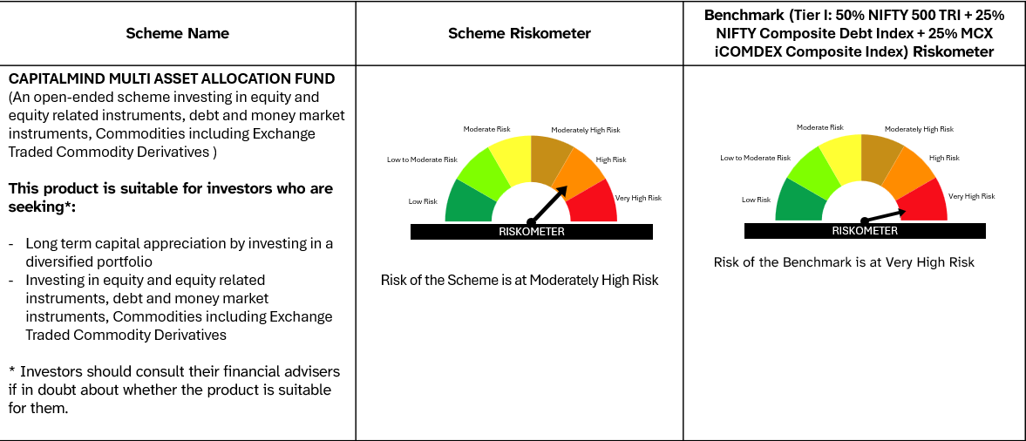

# Please note that the above risk-o-meter is as per the product labelling of the scheme available as on the date of this communication/ disclosure. Visit our website for latest Riskometer updates at https://capitalmindmf.com

