CMMAAF_July 31, 2026
Capitalmind Mutual Fund
SCHEME NAME : | Capitalmind Multi Asset Allocation Fund (An open-ended scheme investing in Equity, Debt, Commodities and Gold ETFs)
INCEPTION DATE : | March 16, 2026
MONTHLY PORTFOLIO STATEMENT AS ON : | July 31, 2026

Name of the Instrument / Issuer | ISIN | Rating / Industry^ | Quantity | Market value (Rs. in Lakhs) | % to NAV | YTM% | YTC%*
Equity & Equity related
(a) Listed / awaiting listing on Stock Exchanges
Bajaj Auto Limited | INE917I01010 | Automobiles | 1,164 | 134.10 | 3.46%
The Federal Bank Limited | INE171A01029 | Banks | 33,514 | 120.26 | 3.10%
Petronet LNG Limited | INE347G01014 | Gas | 42,138 | 118.30 | 3.05%
Marico Limited | INE196A01026 | Agricultural Food & other Products | 13,583 | 118.26 | 3.05%
Torrent Pharmaceuticals Limited | INE685A01028 | Pharmaceuticals & Biotechnology | 2,255 | 115.52 | 2.98%
Nestle India Limited | INE239A01024 | Food Products | 7,597 | 114.68 | 2.96%
Indian Oil Corporation Limited | INE242A01010 | Petroleum Products | 79,624 | 111.61 | 2.88%
Sun Pharmaceutical Industries Limited | INE044A01036 | Pharmaceuticals & Biotechnology | 5,597 | 111.41 | 2.87%
Hero MotoCorp Limited | INE158A01026 | Automobiles | 2,026 | 109.12 | 2.81%
Hindalco Industries Limited | INE038A01020 | Non - Ferrous Metals | 11,130 | 108.46 | 2.79%
Lupin Limited | INE326A01037 | Pharmaceuticals & Biotechnology | 4,468 | 107.90 | 2.78%
Axis Bank Limited | INE238A01034 | Banks | 8,584 | 105.54 | 2.72%
Power Finance Corporation Limited | INE134E01011 | Finance | 24,828 | 105.36 | 2.71%
Zydus Lifesciences Limited | INE010B01027 | Pharmaceuticals & Biotechnology | 9,284 | 104.61 | 2.70%
Bank of India | INE084A01016 | Banks | 75,324 | 103.91 | 2.68%
Union Bank of India | INE692A01016 | Banks | 59,570 | 102.01 | 2.63%
Canara Bank | INE476A01022 | Banks | 80,588 | 100.72 | 2.60%
Tata Steel Limited | INE081A01020 | Ferrous Metals | 52,427 | 99.45 | 2.56%
Indian Bank | INE562A01011 | Banks | 11,878 | 99.36 | 2.56%
Bank of Maharashtra | INE457A01014 | Banks | 119,368 | 94.69 | 2.44%
State Bank of India | INE062A01020 | Banks | 8,051 | 82.72 | 2.13%
NMDC Limited | INE584A01023 | Minerals & Mining | 83,920 | 71.37 | 1.84%
Oil & Natural Gas Corporation Limited | INE213A01029 | Oil | 28,982 | 70.29 | 1.81%
Coal India Limited | INE522F01014 | Consumable Fuels | 16,724 | 69.26 | 1.78%
Sub Total |  |  |  | 2,478.91 | 63.89%
(b) Unlisted |  |  |  | NIL | NIL
Sub Total |  |  |  | NIL | NIL
Total |  |  |  | 2,478.91 | 63.89%

Debt Instruments
(a) Listed / awaiting listing on Stock Exchange
7.50% National Bank For Agriculture and Rural Development (31/08/2026) | INE261F08EA6 | CRISIL AAA | 100 | 100.03 | 2.58% | 6.67%
Sub Total |  |  |  | 100.03 | 2.58%
(b) Privately placed / Unlisted |  |  |  | NIL | NIL
Sub Total |  |  |  | NIL | NIL
(c) Preference Shares
6% TVS Motor Co Non Conv Rede Pref Shares 01SEP26 | INE494B04019 | CARE A1+ | 576,521 | 60.25 | 1.55% | 16.89%
Sub Total |  |  |  | 60.25 | 1.55%
Total |  |  |  | 160.28 | 4.13%
Money Market Instruments
Certificate of Deposit
Bank of Baroda (12/08/2026)# | INE028A16MD0 | CARE A1+ | 30 | 149.72 | 3.86% | 6.30%
Sub Total |  |  |  | 149.72 | 3.86%
Treasury Bill
364 Days Tbill (MD 25/12/2026) | IN002025Z393 | Sovereign | 150,000 | 146.79 | 3.78% | 5.47%
Sub Total |  |  |  | 146.79 | 3.78%
Total |  |  |  | 296.51 | 7.64%
Others
Exchange Traded Funds
Mirae Asset Gold ETF | INF769K01JP9 |  | 151,972 | 209.49 | 5.40%
Mirae Asset Silver ETF | INF769K01KG6 |  | 78,023 | 164.09 | 4.23%
Nippon India ETF Gold Bees | INF204KB17I5 |  | 100,440 | 117.63 | 3.03%
Kotak Silver ETF | INF174KA1ZD3 |  | 391,085 | 81.97 | 2.11%
Sub Total |  |  |  | 573.18 | 14.77%
Mutual Fund Units
Capitalmind Liquid Fund - Direct-Growth | INF226401034 |  | 16,545 | 172.96 | 4.46%
Sub Total |  |  |  | 172.96 | 4.46%
Total |  |  |  | 746.14 | 19.23%
Reverse Repo / TREPS
Clearing Corporation of India Ltd |  |  |  | 133.46 | 3.44% | 4.93%
Sub Total |  |  |  | 133.46 | 3.44%
(b) Privately placed / Unlisted |  |  |  | NIL | NIL
Sub Total |  |  |  | NIL | NIL
Total |  |  |  | 133.46 | 3.44%
Net Receivables / (Payables) |  |  |  | 65.50 | 1.67%
GRAND TOTAL |  |  |  | 3,880.80 | 100.00%

Notes & Symbols :-
** Thinly Traded Securities/Non Traded Securities
# Unlisted Security
**# Both Thinly Traded Securities/Non Traded Securities and Unlisted securities
* YTC represents Yield to Call. It is disclosed for Perpetual Bond issued by Banks (i.e. AT-1 Bond / Tier 1 Bond / Tier 2 Bond), as per AMFI Best Practices Guidelines Circular no. 91/2020-21 dated March 24, 2021 on Valuation of AT-1 Bonds and Tier 2 Bonds.

Notes:
1. There is no security which is in default beyond its maturity / Interest payment date.
2. Aggregate value of illiquid equity shares of the fund amounts to Rs. Nil and their percentage to Net Asset value: NIL
3. NAV at the beginning of the period

Scheme |  |  |  | NAV |  | Date
CAPITALMIND MULTI ASSET ALLOCATION FUND - Direct Plan - Growth Option |  |  |  | 9.7994 |  | 2026-06-30
CAPITALMIND MULTI ASSET ALLOCATION FUND - Regular Plan - Growth Option |  |  |  | 9.7571 |  | 2026-06-30
CAPITALMIND MULTI ASSET ALLOCATION FUND - Direct Plan IDCW |  |  |  | 9.7994 |  | 2026-06-30
CAPITALMIND MULTI ASSET ALLOCATION FUND - Regular Plan IDCW |  |  |  | 9.7571 |  | 2026-06-30

NAV at the end of the period

Scheme |  |  |  | NAV |  | Date
CAPITALMIND MULTI ASSET ALLOCATION FUND - Direct Plan - Growth Option |  |  |  | 9.9724 |  | 2026-07-31
CAPITALMIND MULTI ASSET ALLOCATION FUND - Regular Plan - Growth Option |  |  |  | 9.9166 |  | 2026-07-31
CAPITALMIND MULTI ASSET ALLOCATION FUND - Direct Plan IDCW |  |  |  | 9.9724 |  | 2026-07-31
CAPITALMIND MULTI ASSET ALLOCATION FUND - Regular Plan IDCW |  |  |  | 9.9166 |  | 2026-07-31

4. Dividend declared during the month ended July 31, 2026 : NIL
5. Total Market value of investments in Foreign Securities /American Depository Receipts/Global Depository Receipts as at July 31, 2026 : NIL
6. Exposure to derivative instrument at the end of the month is (value in Lacs) : NIL
A. Hedging positions through futures as on July 31, 2026
Underlying |  | Long/ short | Futures price when purchased |  | Current price of the contract | Margin maintained in Rs. Lakhs
NIL
Total percentage of existing assets hedged through futures: NIL
For the period ended July 31, 2026, following details specified for hedging transactions through futures which have been squared off/ expired:
Total number of contracts where futures were bought: NIL
Total number of contracts where futures were sold: NIL
Gross notional value of contracts where futures were bought: NIL
Gross notional value of contracts where futures were Sold: NIL
Net profit/ (loss) value on all contracts combined: NIL

B. Other than hedging positions through futures as on July 31, 2026
Underlying |  | Long/ short | Futures price when purchased |  | Current price of the contract | Margin maintained in Rs. Lakhs
NIL

Total exposure due to futures (non hedging positions) as a percentage of net assets: NIL
For the period ended July 31, 2026, following details specified for non-hedging transactions through futures which have been squared off/ expired:
Total number of contracts where futures were bought: NIL
Total number of contracts where futures were sold: NIL
Gross notional value of contracts where futures were bought: NIL
Gross notional value of contracts where futures were Sold: NIL
Net profit/ (loss) value on all contracts combined: NIL

C. Hedging positions through put options as on July 31, 2026
Underlying |  | Long/ short | Futures price when purchased |  | Current price of the contract
NIL
Total percentage of existing assets hedged through put options: NIL
For the period ended July 31, 2026, following details specified for hedging transactions through put options which have already been exercised/ expired:
Total number of contracts entered into: NIL
Gross notional value of contracts: Rs. : NIL
Net profit/ (loss) on all contracts (premium paid treated as (loss)): Rs. : NIL

D. Hedging positions through call options as on July 31, 2026
Underlying |  | Long/ short | Futures price when purchased |  | Current price of the contract
NIL
Total percentage of existing assets hedged through put options:
For the period ended July 31, 2026, following details specified for hedging transactions through put options which have already been exercised/ expired:
Total number of contracts entered into: NIL
Gross notional value of contracts: NIL
Net profit/ (loss) on all contracts (premium paid treated as (loss)): NIL

E. Other than hedging positions through options as on July 31, 2026
Underlying |  | Call/ put | Number of contracts |  | Option price when purchased |  | Current price
NIL

Total exposure through options (non hedging positions) as a percentage of net assets: NIL
For the period ended July 31, 2026, following details specified for non-hedging transactions through options which have already been exercised/ expired:
Total number of contracts entered into: NIL
Gross notional value of contracts: NIL
Net profit/ (loss) on all contracts (premium paid treated as (loss)): NIL

F. Hedging positions through swaps as on July 31, 2026 - Nil

G. Details of Other than Hedging posting in Commodity Future as on July 31, 2026
Underlying |  | Long/ short | Futures price when purchased |  | Current price of the contract | Margin maintained in Rs. Lakhs
NIL

For the period ended July 31, 2026, following details specified for hedging transactions through Commodity futures which have been squared off/ expired:
Total number of contracts where futures were bought: NIL
Total number of contracts where futures were sold: 51
Gross notional value of contracts where futures were bought: NIL
Gross notional value of contracts where futures were Sold: 173.1538 Lacs
Net profit/ (loss) value on all contracts combined: 173.1538 Lacs

8. Portfolio Turnover Ratio : 0.35 Times
9. Total outstanding exposure of Repo transactions in corporate debt securities as on July 31, 2026 is Nil. Details of investment of repo transactions in corporate debt securities during Month ended July 31, 2026 is/are as follows:
Counterparty |  |  | Investment value (Rs. in Lakhs) |  | Trade date | Maturity date | % to net assets
NIL
10. Total Exposure to illiquid securities : NIL
11. Instances of fair valuation of Securities or Deviation in valuation from what is provided by valuation agencies : NIL
12. Bonus declared during the period ended July 31, 2026 : NIL
13. Deviation in the mandated asset allocation pursuant to SEBI Circular SEBI/HO/IMD/IMD-PoD-1/P/CIR/2024/90 dated June 27, 2024 : NIL

Product Labelling:#

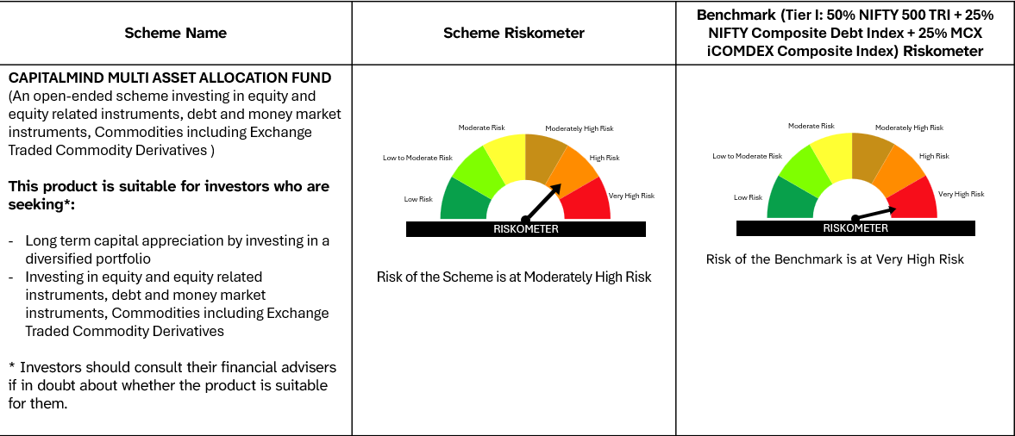
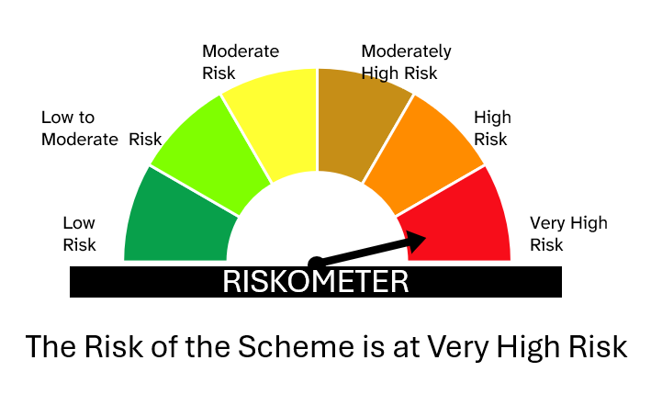

# Please note that the above risk-o-meter is as per the product labelling of the scheme available as on the date of this communication/ disclosure. Visit our website for latest Riskometer updates at https://capitalmindmf.com

