Capitalmind Flexi Cap Fund
Product Dashboard
Date | As on February 28, 2026
Name of Scheme | Capitalmind Flexi Cap Fund
Type of the Scheme | An open-ended dynamic equity scheme investing across large cap, mid cap, small cap stocks
Investment Objective | The primary objective of the Scheme is to generate long-term capital appreciation by investing predominantly in equity and equity-related instruments across market capitalizations, i.e., large-cap, mid-cap, and small-cap stocks. However, there can be no assurance or guarantee that the investment objective of the Scheme will be achieved.
Inception Date | 4th August 2025
Benchmark | Nifty 500 TRI
Fund Manager | Mr. Anoop Vijaykumar (Head of Equity) Mr. Prateek Jain (Head of Debt)
Tenure for which the Fund Manager has been managing the Scheme | Mr. Anoop Vijaykumar Since Inception (4th August 2025) Mr. Prateek Jain Since inception (8th August 2025)
Performance | Period | Fund Return | Benchmark | Additional Benchmark | Value of Investment of 10,000
 |  |  |  |  | Fund | Benchmark | Additional Benchmark
 | Regular Plan (Growth)
 | Last 1 year | N.A. | N.A. | N.A. | N.A. | N.A. | N.A.
 | Last 3 years | N.A. | N.A. | N.A. | N.A. | N.A. | N.A.
 | Since Inception | 5.98% | 3.07% | N.A. | 10,598.00 | 10,307.00 | N.A.
 | Direct Plan (Growth)
 | Last 1 year | N.A. | N.A. | N.A. | N.A. | N.A. | N.A.
 | Last 3 years | N.A. | N.A. | N.A. | N.A. | N.A. | N.A.
 | Since Inception | 7.35% | 3.07% | N.A. | 10,735.00 | 10,307.00 | N.A.

 | Benchmark: Nifty 500 TRI Additional Benchmark:NA Inception/Allotment date: 4th August 2025
 | Past performance may or may not be sustained in the future. Returns computed on compounded annualised basis based on the NAV. Different Plans i.e. Regular Plan and Direct Plan under the scheme has different expense structure. The “since inception” returns of the scheme are calculated on Rs. 10/- invested at inception.. In case, the start / end date of the concerned period is a non-business date (NBD), the NAV of the previous date is considered for computation of returns.
Portfolio Details for month ending February 2026 |  |  |  |  |  | % of Net Assets
Kindly click here for the latest available portfolio disclosure | Top 10 Holdings
 | Embassy Office Parks REIT (10/03/2026) |  |  |  |  | 4.44%
 | Capitalmind Liquid Fund - Direct-Growth |  |  |  |  | 4.07%
 | Canara Bank (12/03/2026) |  |  |  |  | 4.04%
 | Clearing Corporation of India Ltd |  |  |  |  | 3.87%
 | The Federal Bank Limited |  |  |  |  | 3.50%
 | Ashok Leyland Limited |  |  |  |  | 3.46%
 | State Bank of India |  |  |  |  | 3.41%
 | National Aluminium Company Limited |  |  |  |  | 2.79%
 | Coal India Limited |  |  |  |  | 2.73%
 | Vedanta Limited |  |  |  |  | 2.70%
 | Total |  |  |  |  | 35.01%

AuM (Rs. Crs) for month ending 28th February 2026 | Rs. 355.96 Crores

Expense Ratio
- Regular/Existing Plan (%) | 2.34%
- Direct Plan (%) | 0.94%

Scheme Risk-o-meter Capitalmind Flexi Cap Fund | 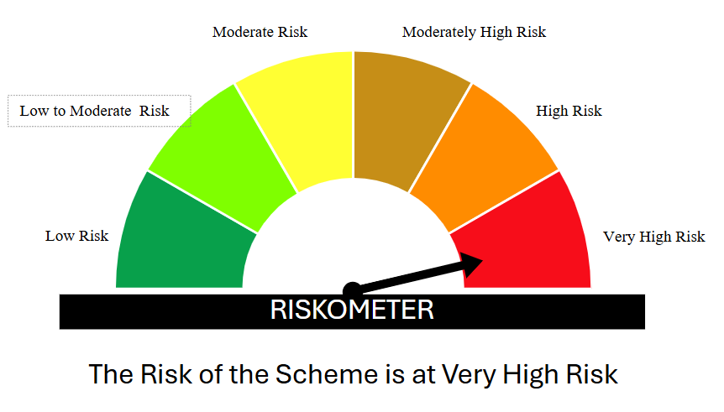
Benchmark Risk-o-meter Nifty 500 TRI | 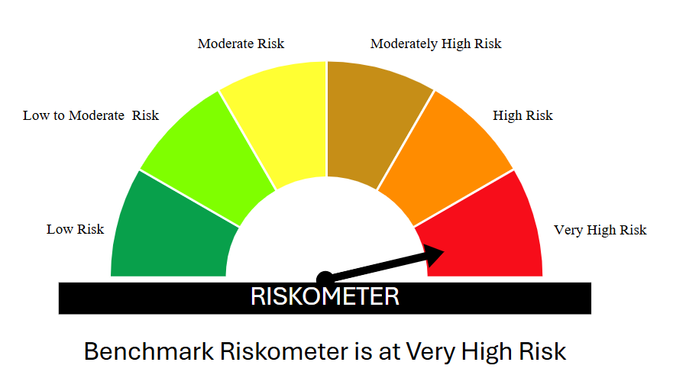

Disclaimer :
Mutual Fund Investments are subject to market risks, read all scheme related documents carefully.

Capitalmind Liquid Fund
Product Dashboard
Date | As on February 28, 2026
Name of Scheme | Capitalmind Liquid Fund
Type of the Scheme | (An open-ended Liquid scheme. A relatively low-interest rate risk and relatively low credit risk fund)
Investment Objective | To generate regular Income over the short-term investment horizon by investment in debt and money market instruments with maturity upto 91 days.The Scheme does not guarantee or assure any returns. There is no assurance that the investment objective of the Scheme will be achieved.
Inception Date | 28th November 2025
Benchmark | Nifty Liquid Index A-I TRI
Fund Manager | Mr. Prateek Jain (Head of Debt) Mr. Anoop Vijaykumar (Head of Equity)
Tenure for which the Fund Manager has been managing the Scheme | Mr. Prateek Jain Since inception Mr. Anoop Vijaykumar Since inception
Performance | Period | Fund Return | Benchmark | Additional Benchmark | Value of Investment of 10,000
 |  |  |  |  | Fund | Benchmark | Additional Benchmark
 | Regular Plan (Growth)
 | Last 7 days | 5.47% | 5.91% | N.A. | 10,547.00 | 10,591.00 | N.A.
 | Last 15 days | 5.55% | 5.89% | N.A. | 10,555.00 | 10,589.00 | N.A.
 | Last 30 days | 6.30% | 5.78% | N.A. | 10,630.00 | 10,578.00 | N.A.
 | Last 1 year | N.A. | N.A. | N.A. | N.A. | N.A. | N.A.
 | Last 3 years | N.A. | N.A. | N.A. | N.A. | N.A. | N.A.
 | Since Inception | 6.31% | 5.78% | N.A. | 10,631.00 | 10,578.00 | N.A.
 | Direct Plan (Growth)
 | Last 7 days | 5.67% | 5.91% | N.A. | 10,567.00 | 10,591.00 | N.A.
 | Last 15 days | 5.75% | 5.89% | N.A. | 10,575.00 | 10,589.00 | N.A.
 | Last 30 days | 6.50% | 5.78% | N.A. | 10,650.00 | 10,578.00 | N.A.
 | Last 1 year | N.A. | N.A. | N.A. | N.A. | N.A. | N.A.
 | Last 3 years | N.A. | N.A. | N.A. | N.A. | N.A. | N.A.
 | Since Inception | 6.51% | 5.78% | N.A. | 10,651.00 | 10,578.00 | N.A.

 | Benchmark: Nifty Liquid Index A-I TRI Additional Benchmark: NA Inception/Allotment date: 28th November 2025
 | Past performance may or may not be sustained in the future. Returns computed on compounded annualised basis based on the NAV. Different Plans i.e. Regular Plan and Direct Plan under the scheme has different expense structure. The “since inception” returns of the scheme are calculated on Rs. 1,000/- invested at inception.. In case, the start / end date of the concerned period is a non-business date (NBD), the NAV of the previous date is considered for computation of returns.
Portfolio Details for month ending February 2026 |  |  |  |  |  | % of Net Assets
Kindly click here for the latest available portfolio disclosure | Top 10 Holdings
 | Kotak Mahindra Bank Limited (13/03/2026) |  |  |  |  | 8.57%
 | Titan Company Limited (11/03/2026) |  |  |  |  | 8.57%
 | ICICI Securities Limited (18/03/2026) |  |  |  |  | 8.56%
 | 91 Days Tbill (MD 28/05/2026) |  |  |  |  | 8.47%
 | Embassy Office Parks REIT (10/03/2026) |  |  |  |  | 7.28%
 | 8.1% Bajaj Finance Limited (22/05/2026) |  |  |  |  | 6.01%
 | 7.6% IndiGrid Infrastructure Trust (06/05/2026) |  |  |  |  | 5.39%
 | Clearing Corporation of India Ltd |  |  |  |  | 4.31%
 | 7.57% National Bank For Agriculture and Rural Development (19/03/2026) |  |  |  |  | 4.29%
 | 7.23% Small Industries Dev Bank of India (09/03/2026) |  |  |  |  | 4.29%
 | Total |  |  |  |  | 65.74%
AuM (Rs. Crs) for month ending 28th February 2026 | 116.53 Crores

Expense Ratio
- Regular/Existing Plan (%) | 0.26%
- Direct Plan (%) | 0.06%

Scheme Risk-o-meter Capitalmind Liquid Find | 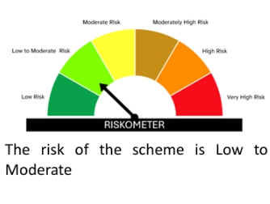
Benchmark Risk-o-meter Nifty Liquid Index A-I TRI | 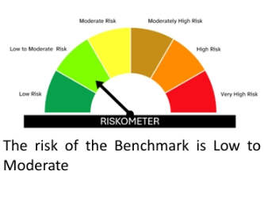

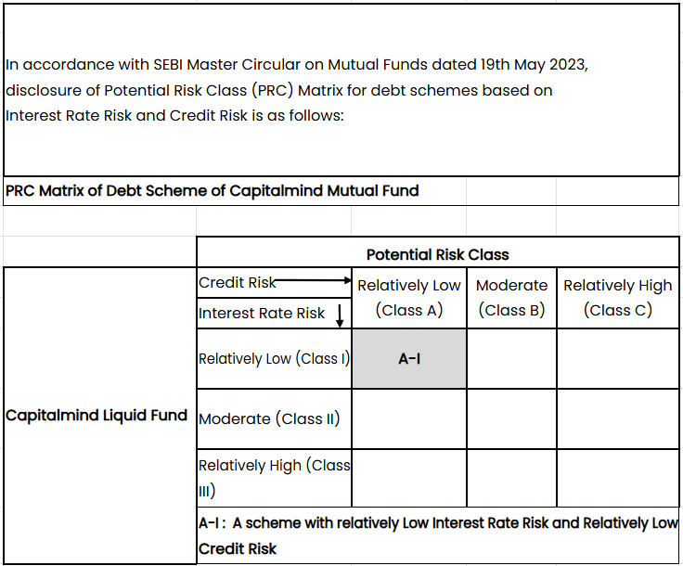

Disclaimer :
Mutual Fund Investments are subject to market risks, read all scheme related documents carefully.

