Sheet1
Product Dashboard
Date | As on September 30, 2025
Name of Scheme | Capitalmind Flexi Cap Fund
Type of the Scheme | An open-ended dynamic equity scheme investing across large cap, mid cap, small cap stocks
Investment Objective | The primary objective of the Scheme is to generate long-term capital appreciation by investing predominantly in equity and equity-related instruments across market capitalizations, i.e., large-cap, mid-cap, and small-cap stocks. However, there can be no assurance or guarantee that the investment objective of the Scheme will be achieved.
Inception Date | 4th August 2025
Benchmark | Nifty 500 TRI
Fund Manager | Mr. Anoop Vijaykumar (Head of Equity) Mr. Prateek Jain (Head of Debt)
Tenure for which the Fund Manager has been managing the Scheme | Mr. Anoop Vijaykumar Since Inception (4th August 2025) Mr. Prateek Jain Since inception (8th August 2025)
Performance | Period | Fund Return | Benchmark | Additional Benchmark | Value of Investment of 10,000
 |  |  |  |  | Fund | Benchmark | Additional Benchmark
 | Regular Plan (Growth)
 | Last 1 year | N.A. | N.A. | N.A. | N.A. | N.A. | N.A.
 | Last 3 years | N.A. | N.A. | N.A. | N.A. | N.A. | N.A.
 | Since Inception | -3.77% | -0.40% | N.A. | 9,623.3000 | 9,959.8996 | N.A.
 | Direct Plan (Growth)
 | Last 1 year | N.A. | N.A. | N.A. | N.A. | N.A. | N.A.
 | Last 3 years | N.A. | N.A. | N.A. | N.A. | N.A. | N.A.
 | Since Inception | -3.55% | -0.40% | N.A. | 9,644.6000 | 9,959.8996 | N.A.

 | Benchmark: Nifty 500 TRI Additional Benchmark: Not applicable. Inception/Allotment date: 4th August 2025
 | Past performance may or may not be sustained in the future. Returns computed on compounded annualised basis based on the NAV. Different Plans i.e. Regular Plan and Direct Plan under the scheme has different expense structure. The “since inception” returns of the scheme are calculated on Rs. 10/- invested at inception.. In case, the start / end date of the concerned period is a non-business date (NBD), the NAV of the previous date is considered for computation of returns.
Portfolio Details for month ending 30th September 2025 |  |  |  |  |  | % of Net Assets
Kindly click here for the latest available portfolio disclosure | Top 10 Holdings
 | Bajaj Finance Limited |  |  |  |  | 3.85%
 | One 97 Communications Limited |  |  |  |  | 3.35%
 | Bharti Airtel Limited |  |  |  |  | 3.34%
 | HDFC Bank Limited |  |  |  |  | 2.95%
 | Fortis Healthcare Limited |  |  |  |  | 2.94%
 | Radico Khaitan Limited |  |  |  |  | 2.76%
 | Maruti Suzuki India Limited |  |  |  |  | 2.74%
 | InterGlobe Aviation Limited |  |  |  |  | 2.63%
 | ICICI Bank Limited |  |  |  |  | 2.61%
 | Gillette India Limited |  |  |  |  | 2.51%
 | Total |  |  |  |  | 29.68%

AuM (Rs. Crs) for month ending 30th September 2025 | Rs. 150.04 Crores

Expense Ratio
- Regular/Existing Plan (%) | 2.37%
- Direct Plan (%) | 0.97%

Scheme Risk-o-meter Capitalmind Flexi Cap Fund | 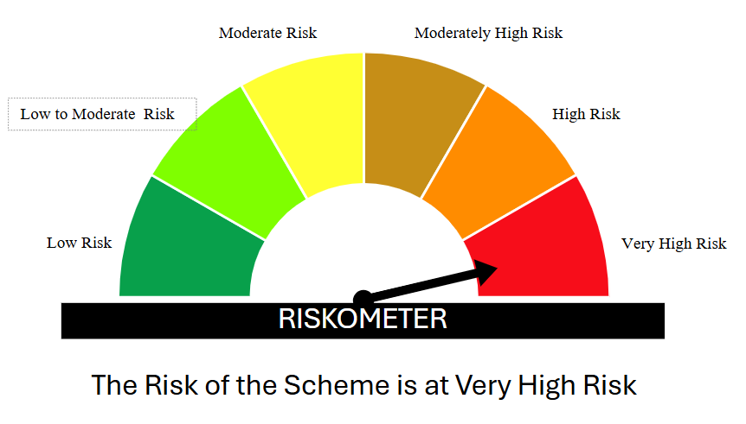
Benchmark Risk-o-meter Nifty 500 TRI | 